Cover_sheet
 | 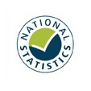
Detailed analysis of fires attended by FRSs
England, April 2020 to March 2021: data tables
Tables 0801
Responsible Statistician: Deborah Lader
Email: Firestatistics@homeoffice.gov.uk
Press enquiries: 0300 123 3535
Published: 30 September 2021
Next update: Autumn 2022
Crown copyright © 2021
Contents
We’re always looking to improve the accessibility of our documents.
If you find any problems, or have any feedback, relating to accessibility
please email us at firestatistics@homeoffice.gov.uk

